Dashboard
Days Completed | 42%
Days Remaining | 58%
OVERALL TASK PROGRESS
 | Not Started | In Progress | Completed
 | 4 | 33 | 3
Actual | 42%
Budget | 58%
BUDGET VS ACTUAL
 | Actual | Budget
Total | 8.3M | 19.7M
Project Management Dashboard |  |  |  |  | 17-Feb-20 to 13-Mar-20

42%

Project | Task | Manager | Start Date | End Date | Duration | Days comp. | Progress | Budget | Actual | 2020-02-17 | 2020-02-18 | 2020-02-19 | 2020-02-20 | 2020-02-21 | 2020-02-22 | 2020-02-23 | 2020-02-24 | 2020-02-25 | 2020-02-26 | 2020-02-27 | 2020-02-28 | 2020-02-29 | 2020-03-01 | 2020-03-02 | 2020-03-03 | 2020-03-04 | 2020-03-05 | 2020-03-06 | 2020-03-07 | 2020-03-08 | 2020-03-09 | 2020-03-10 | 2020-03-11 | 2020-03-12 | 2020-03-13
Alpha | Task 1 | McFay | 2020-02-28 | 2020-03-10 | 8 | 3 | 38% | 96,000 | 32,256
 | Task 2 | Wood | 2020-03-02 | 2020-03-12 | 9 | 4 | 44% | 513,000 | 226,233
 | Task 3 | Ladd | 2020-02-20 | 2020-02-26 | 5 | 3 | 60% | 616,000 | 401,579
 | Task 4 | Hirsch | 2020-02-19 | 2020-02-21 | 3 | 3 | 100% | 817,000 | 807,069
 | Task 5 | Samora | 2020-02-21 | 2020-03-02 | 7 | 3 | 43% | 372,000 | 173,166
 | Task 6 | McFay | 2020-02-24 | 2020-03-06 | 10 | 2 | 20% | 50,000 | 8,400
 | Task 7 | Wood | 2020-02-24 | 2020-03-06 | 10 | 3 | 30% | 807,000 | 262,679
 | Task 8 | Ladd | 2020-02-24 | 2020-02-26 | 3 | 0 | 0% | 691,000 | 0
Delta | Task 1 | Hirsch | 2020-03-02 | 2020-03-12 | 9 | 8 | 89% | 787,000 | 727,188
 | Task 2 | Samora | 2020-03-02 | 2020-03-13 | 10 | 2 | 20% | 228,000 | 47,880
 | Task 3 | McFay | 2020-02-17 | 2020-02-20 | 4 | 0 | 0% | 147,000 | 0
 | Task 4 | Wood | 2020-02-19 | 2020-02-28 | 8 | 5 | 63% | 338,000 | 205,123
 | Task 5 | Ladd | 2020-02-24 | 2020-03-06 | 10 | 3 | 30% | 857,000 | 305,949
 | Task 6 | Hirsch | 2020-02-25 | 2020-03-03 | 6 | 3 | 50% | 602,000 | 322,371
 | Task 7 | Samora | 2020-02-25 | 2020-02-28 | 4 | 2 | 50% | 990,000 | 451,440
Gemini | Task 1 | Hirsch | 2020-02-17 | 2020-02-21 | 5 | 2 | 40% | 218,000 | 97,337
 | Task 2 | Samora | 2020-02-17 | 2020-02-24 | 6 | 3 | 50% | 393,000 | 177,440
 | Task 3 | McFay | 2020-02-18 | 2020-03-02 | 10 | 4 | 40% | 86,000 | 31,046
 | Task 4 | Wood | 2020-02-21 | 2020-03-04 | 9 | 3 | 33% | 732,000 | 261,324
 | Task 5 | Ladd | 2020-02-17 | 2020-02-20 | 4 | 1 | 25% | 492,000 | 116,850
 | Task 6 | Hirsch | 2020-02-20 | 2020-02-27 | 6 | 0 | 0% | 188,000 | 0
 | Task 7 | Samora | 2020-02-20 | 2020-02-28 | 7 | 3 | 43% | 180,000 | 79,380
 | Task 8 | McFay | 2020-02-24 | 2020-02-28 | 5 | 2 | 40% | 582,000 | 195,231
 | Task 9 | Wood | 2020-02-24 | 2020-03-05 | 9 | 1 | 11% | 562,000 | 74,746
 | Task 10 | Ladd | 2020-02-24 | 2020-03-02 | 6 | 3 | 50% | 416,000 | 175,015
Orion | Task 1 | Hirsch | 2020-02-18 | 2020-02-26 | 7 | 7 | 100% | 293,000 | 273,001
 | Task 2 | Samora | 2020-02-17 | 2020-02-27 | 9 | 4 | 44% | 224,000 | 57,910
 | Task 3 | McFay | 2020-02-18 | 2020-02-27 | 8 | 0 | 0% | 978,000 | 0
 | Task 4 | Wood | 2020-02-20 | 2020-02-28 | 7 | 3 | 43% | 932,000 | 379,157
 | Task 5 | Ladd | 2020-02-21 | 2020-02-26 | 4 | 1 | 25% | 854,000 | 322,812
 | Task 6 | Hirsch | 2020-02-21 | 2020-02-28 | 6 | 3 | 50% | 81,000 | 38,461
 | Task 7 | Samora | 2020-02-24 | 2020-03-02 | 6 | 5 | 83% | 169,000 | 136,468
 | Task 8 | McFay | 2020-02-25 | 2020-02-28 | 4 | 1 | 25% | 61,000 | 12,078
 | Task 9 | Wood | 2020-02-27 | 2020-03-06 | 7 | 3 | 43% | 645,000 | 273,048
 | Task 10 | Ladd | 2020-02-17 | 2020-02-19 | 3 | 3 | 100% | 68,000 | 64,987
Vega | Task 1 | Hirsch | 2020-02-17 | 2020-02-28 | 10 | 5 | 50% | 839,000 | 406,974
 | Task 2 | Samora | 2020-02-21 | 2020-02-27 | 5 | 4 | 80% | 729,000 | 487,139
 | Task 3 | McFay | 2020-02-24 | 2020-03-03 | 7 | 3 | 43% | 826,000 | 298,186
 | Task 4 | Wood | 2020-02-26 | 2020-03-05 | 7 | 2 | 29% | 895,000 | 280,583
 | Task 5 | Ladd | 2020-02-28 | 2020-03-03 | 3 | 2 | 67% | 341,000 | 129,785
Grand Total |  |  |  |  |  |  |  | 19,695,000 | 8,340,291

Instructions
Project Management Dashboard Instructions

Step 1 | Format source data in an Excel Table - CTRL+T

Step 2 | Dashboard PivotTable
2.01 | Insert Dashboard PivotTable in cell A5
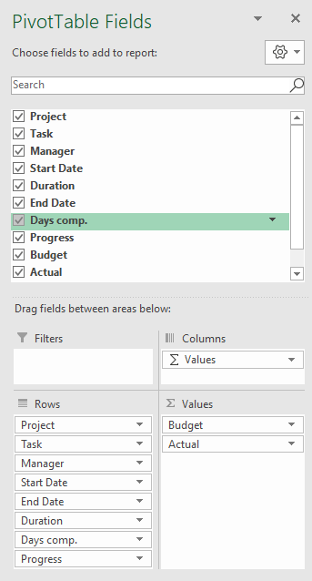

2.02 | Format PivotTable with Tabular layout & no subtotals
2.03 | Format PivotTable Budget & Actual values via Field Settings
2.04 | PivotTable Options > Turn off Expand/Collapse buttons
2.05 | Format PivotTable in light grey
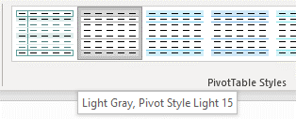

Step 3 | Insert Table for Tasks Bar Chart on Workings Sheet

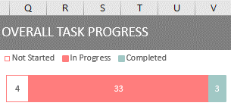

 | Bar chart height 3.73 x 9.0 wide.

Step 4 | Insert doughnut chart PivotTable for Overall Completed - Completed Days vs Duration

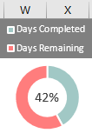

 |  | Chart height 3.73 x width 3.25

Step 5 | Insert budget vs actual doughnut & bar chart PivotTable on Workings Sheet
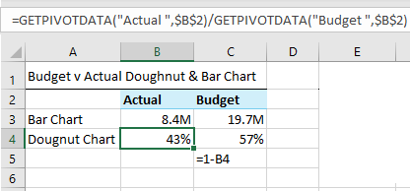
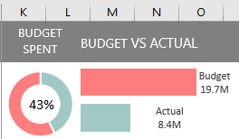
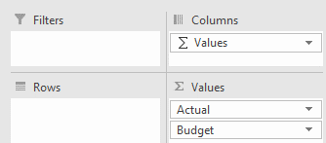

 | Doughnut hole 58%
 | Bar chart series overlap -30%, gap width 0%
 | Doughnut chart height 3.73 x width 3.25, Bar Chart height 3.73 x width 6.

Step 6 | Insert Slicers for Project and Manager fields & connect to all PivotTables
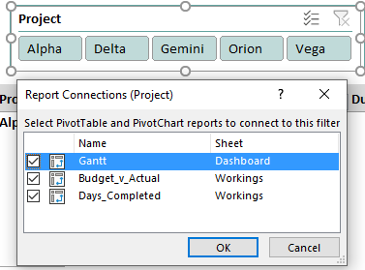
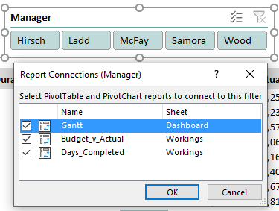

Step 7 | Add text for date range to header cell F1:

 | =TEXT(MIN(D6:D51),"d-mmm-yy")&" to "&TEXT(MAX(E6:E51),"d-mmm-yy")

Step 8 | Add scroll bar and link to a cell P2 in the Workings sheet
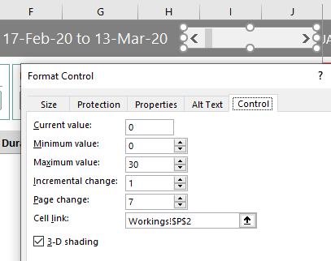

Step 9 | Add calendar dates in cell K5:AJ5
 | Note: the formula below only works in Excel for Office 365.

 | =SEQUENCE(1,26,MIN(Table1[Start Date])+Workings!P2,1)

Step 10 | Gantt Chart - Conditional Formatting (extend the 'applies to' range to allow for growth in your data)

10.1 | Add data bars to Progress column of PivotTable

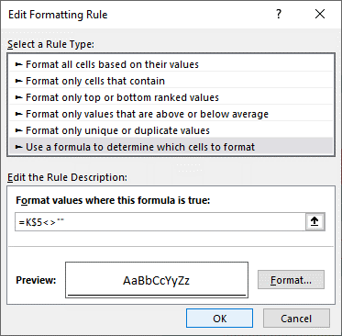
10.2 | Format Dates in row 5

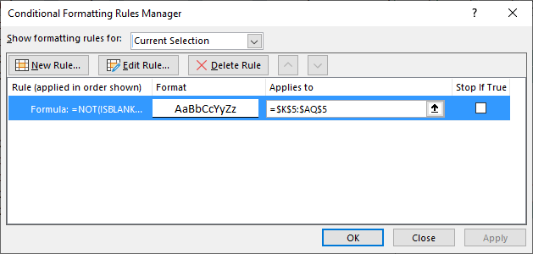

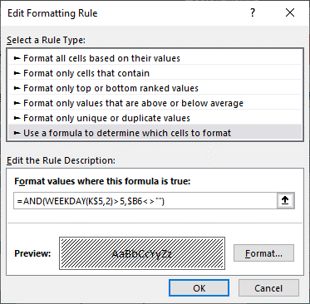
10.3 | Shade columns for weekend dates
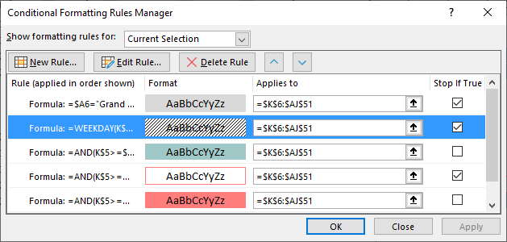

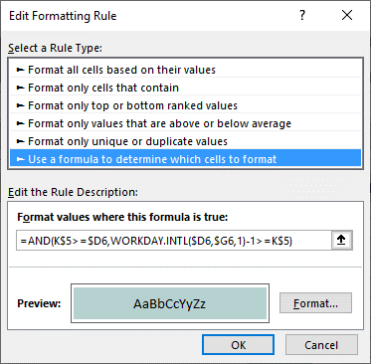
10.4 | Add fill colour for completed dates
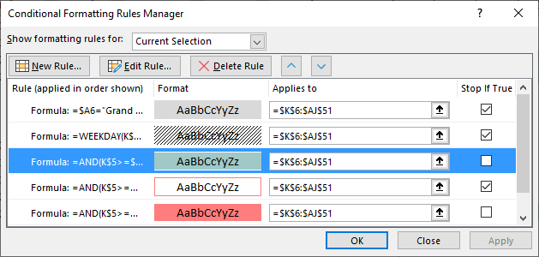

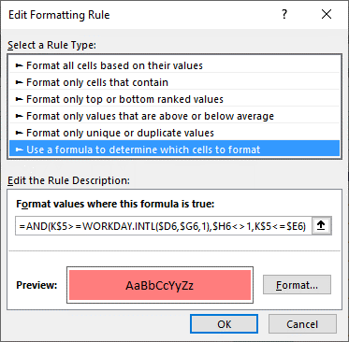
10.5 | Add fill colour for in progress dates
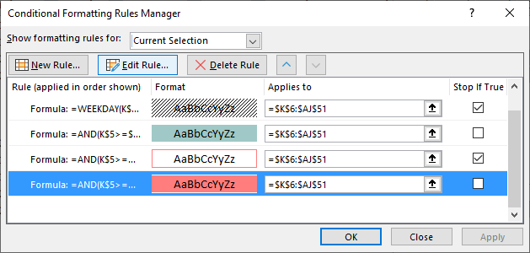

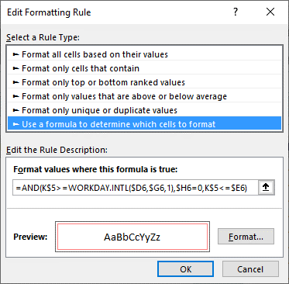
10.6 | Add cell borders for 'not started' dates
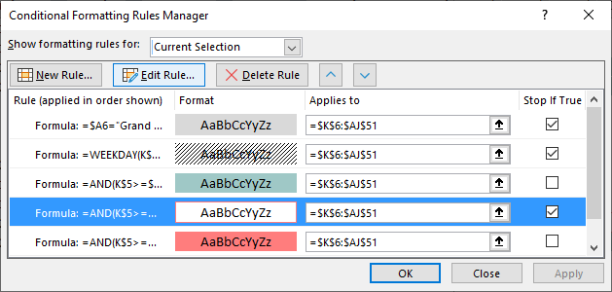

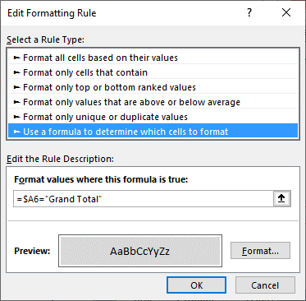
10.7 | Add grey shading to Grand Total row
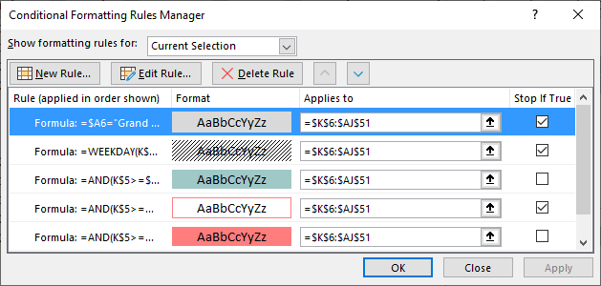

Step 11 | Freeze Panes at cell A6

